Question1
Q1. In Excel, how do you resize a column?
Sol:-
We have two option for resizing the column
1) Select the cell or range of cell then go to Home>cells>Format>cell size, here we have row height or column width through this we can resize as we need.
2) Go to between the column at the top or between the row at left, we will see a two sided arrow click and move it left or right for colum adjustment or up and down for row adjustment.
Normally, i prefer 2nd option because it is very convenient to use, just moving the cursor i can adjust as i need.

Question2
Q2. In Ms-Excel, what is the difference between COUNTA, COUNTBLANK, COUNT, and COUNTIF?
SOl:-
COUNTA:- It will count the all the cells of the selected range which have data even if it is alphabetical or if numerical data.
COUNTBLANCK:- It will only count the blanck cells of the selected range.
COUNT:- It will count the cells which have only numeric data in the selected range.
COUNTIF:-It will count the cells which meets the condition we defined in the selected range.

COUNTA | COUNTBLANCK | COUNT | COUNTA
arun | arun | 9452 | deepak
jayant | jayant | 4235 | jayant
depak | depak | 7891 | deepak
rahul |  | 3217 | rahul
12345 | 12345 | 1234 | 12345
1045 |  | 1045 | deepak
rajeev | rajeev | 9501 | rajeev
7 | 2 | 7 | 3

Question3
Q3. How do you identify duplicate values in a column and specify the several ways you can use them?
Sol:-
Select the column range where we want to identify the duplicate value then go to Home>Styles>Conditional Formatting>Highlight cells Rules>Duplicate values, click on it and select the colour through which we want to highlight the duplicate values then click ok. All duplicate values of that column will be highlighted.
Finding Duplicate value in a column "Last Name"

Last Name | First Name | Dept | E-mail | Phone Ext
Zostoc | Melissa | AT | eileenb | 111
Hapsbuch | Kendrick | MK | frankb | 124
Boughton | Frank | MF | jessc | 198
Brwyne | Melia | AT | judyc | 154
Vuanuo | Tuome | MF | sherried | 114
Cooper | Linda | MF | jeanf | 150
Corwick | Rob | AT | joeg | 121
Franklin | Larry | AT | pamk | 135
Bell | Tom | MK | tomk | 129
Hapsbuch | Kendrick | MF | theok | 149
Henders | Mark | MK | janetm | 115
Kane | Sheryl | AT | mariam | 198
Mueller | Ursula | MK | marks | 145
Cooper | Linda | AT | gails | 123
Wu | Tammy | MF | sandraes | 127
Al-Sabah | Daoud | MK | randys | 139
Alstain | Isolde | MF | ellens | 137

Question4
Q4. How can you give Dynamic Range in Pivot Tables' 'Data Source'?

Type | Salesperson | Region | Sales | Units | Order | Brand
Frozen Yogurt | Bishop | East | 8943 | 5962 | 13 | abc | Sum of Order | Column Labels
Frozen Yogurt | Parker | West | 8943 | 5962 | 16 | abc | Row Labels | Central | East | North | South | West | Grand Total
Frozen Yogurt | Lee | Central | 14596.5 | 9731 | 17 | pqr | Frozen Yogurt | 36 | 13 |  | 17 | 16 | 82
Frozen Yogurt | Lee | Central | 14596.5 | 9731 | 19 | pqr | abc |  | 13 |  |  | 16 | 29
Frozen Yogurt | Watson | South | 14596.5 | 9731 | 17 | pqr | pqr | 36 |  |  | 17 |  | 53
Ice Cream | Bishop | East | 2395.5 | 1597 | 11 | xyz | Ice Cream |  | 31 | 36 | 14 | 29 | 110
Ice Cream | Bishop | East | 11761.5 | 7841 | 20 | xyz | klm |  |  | 36 | 14 |  | 50
Ice Cream | Watson | West | 2395.5 | 1597 | 14 | xyz | xyz |  | 31 |  |  | 29 | 60
Ice Cream | Bishop | West | 11761.5 | 7841 | 15 | xyz | Popsicles |  |  |  | 31 |  | 31
Ice Cream | Parker | North | 4666 | 5623 | 11 | klm | qrs |  |  |  | 31 |  | 31
Ice Cream | Parker | North | 7318.5 | 4879 | 12 | klm | Tasty Treats | 28 |  |  |  | 30 | 58
Ice Cream | Watson | North | 5500 | 5623 | 13 | klm | stu | 28 |  |  |  | 30 | 58
Ice Cream | Parker | South | 7318.5 | 4879 | 14 | klm | Grand Total | 64 | 44 | 36 | 62 | 75 | 281
Popsicles | Pullen | South | 3553.5 | 2369 | 15 | qrs
Popsicles | Pullen | South | 3553.5 | 2369 | 16 | qrs
Tasty Treats | Lee | Central | 8793 | 5862 | 18 | stu
Newly Inserted Row
Tasty Treats | Lee | Central | 8793 | 5862 | 10 | stu
Tasty Treats | Lee | West | 7000 | 6000 | 30 | stu
Newly Inserted Column

First of all we should have a table for making pivot table:-
Step1: Go to Formulas>define name, now give any name in the name box and write the formula like OFFSET(Sheet3!$B$6,0,0,COUNTA(Sheet3!$B:$B),COUNTA(Sheet3!$6:$6)), and click ok. Now a Dynamic formula is ready.
Step2: Create a Pivot Table then click on pivot table then a analyze option will came on the top go to analyze>Data>Change Data Source, here write the same name as given in "define name" section of Formulas option and click ok . Now we all set.
Step3: Now if we update row/column then it will update the pivot table just by click on refresh after right click on the pivot table.

Question5
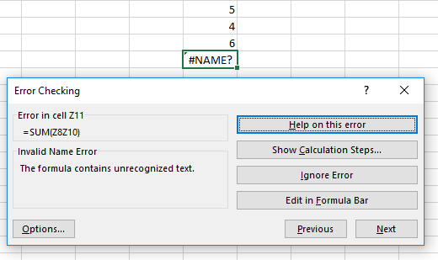
Q5. When dealing with Excel Formulas, how do you identify errors ?
Sol:
If the output is different beacuse of wrong input, #DIV/0!, #N/A, #NAME?, #NULL!, #REF!, #VALUE!, if any one of these occurs in the cell after writing the formula then this is a error. Some method to make it correct is as follow:-
Method1:
Check the output of the formula which I defined is correct or not, if not then i go to Formulas>Formula Auditing>Evaluate Formula, and here i check step by step the output of the formula, if any wrong input then i make it correct.
Method2:
If any inbuild error like #DIV/0!, #N/A, #NAME?, #NULL!, #REF!, #VALUE! occurs then firstly i try to write correct write fomula by myself if it will not resolve the problem the go to Formulas>Formula Auditing>Error Checking, here i have different options like check formula step by step, take help, ignore error or edit the formula.
Method3:
If above two method not work the i go to youtube/google search.

5
4
6
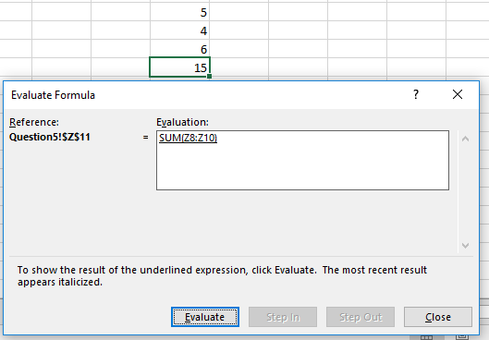
#NAME?

Queation6
Q6. Write the VLOOKUP function's syntax or mathematical statement.
Sol:Syntax of vlookup:- =VLOOKUP(lookup_value, table_array, col_index_num, [range_lookup])

how is vlookup written:-
Account No | C.Amount | AcctType | Branch | Customer | Account No | 5600001
5600001 | 5,000 | IRA | Central | Existing | C.Amount | 5000 | <---=VLOOKUP($I$8,guddu1,ROW()-7,0)
5600002 | 14,571 | CD | Central | New | AcctType | IRA | <---=VLOOKUP($I$8,guddu1,ROW()-7,0)
5600003 | 500 | Checking | Central | Existing | Branch | Central | <---=VLOOKUP($I$8,guddu1,ROW()-7,0)
5600004 | 15,000 | CD | Central | Existing | Customer | Existing | <---=VLOOKUP($I$8,guddu1,ROW()-7,0)
5600005 | 4,623 | Savings | North County | Existing
5600006 | 8,721 | Savings | Westside | New
5600007 | 15,276 | Savings | North County | Existing
5600008 | 5,000 | Savings | Westside | Existing
5600009 | 15,759 | CD | Westside | Existing
5600010 | 12,000 | CD | Westside | Existing
5600011 | 7,177 | Savings | North County | Existing
5600012 | 6,837 | Savings | Westside | Existing
5600013 | 3,171 | Checking | Westside | Existing
5600014 | 50,000 | Savings | Central | Existing
5600015 | 4,690 | Checking | North County | New
5600016 | 12,438 | Checking | Central | Existing
5600017 | 5,000 | Checking | North County | Existing

